Definitions and Acronyms


Definitions and Acronyms

Co-located project in this report refers to a Battery Energy Storage project combined with a project (operational or planned) of another technology type (e.g. WT, PV or GT) at the same POI and having the same Interconnecting Entity.
Currently, ERCOT does not have information if these projects are going to be operated as a DC-Couple Resource, Self-Limiting Facility or as an independent Resource located at the same Point of Interconnection (POI).

Stand-Alone project in this report refers to a Battery Energy Storage project that does not have a project (operational or planned) of another technology type located at the same POI with the same Interconnecting Entity.

GIS Report = Generation Interconnection Status Report
FIS = Full Interconnection Study
COD = Commercial Operation Date
POI = Point of interconnection
INR = Interconnection Request Number
CDR = Capacity, Demand and Reserves Report

Acronyms in Project Names Designating Facility Types
SLF = Self-Limited Facility
DCC = DC-Coupled Resource

Self-Limiting Facility: A modeled generation station that includes one or more Generation Resources and/or Energy Storage Resources (ESRs) with an established limit on the total MW Injection that is less than the total nameplate capacity of all Resource(s) within the Facility. A Facility with one or more ESRs may also have an established limit on the MW Withdrawal that is less than the total nameplate MW Withdrawal rating of all ESR(s) within the facility.

DC-Coupled Resource: A type of Energy Storage Resource (ESR) in which an Energy Storage System (ESS) is combined with wind and/or solar generation in the same modeled generation station and interconnected at the same Point of Interconnection (POI), and where these technologies are interconnected within the site using direct current (DC) equipment. The combined technologies are then connected to the ERCOT System using the same direct current-to-alternating current (DC-to-AC) inverter(s). To be classified as a DC Coupled Resource, the generator(s) and ESS(s) at a site must meet the following conditions: (1) The ESS component of the Resource must have a nameplate rating of at least ten MW and ten MWh, or the MW rating must equal or exceed 50% of the nameplate MW rating of the inverter; and (2) All intermittent renewable generators must meet the conditions for aggregation stated in paragraph (12) of [Nodal Protocol] Section 3.10.7.2, Modeling of Resources and Transmission Loads, except to the extent any such condition requires the generator to be a Resource.

Fuel Types | Technology Types
OTH = Other | BA = Battery Energy Storage
SOL = Solar | GT = Combustion (gas) Turbine, but not part of a Combined-Cycle
WIN = Wind | PV = Photovoltaic Solar
 | WT = Wind Turbine

Historic Trends
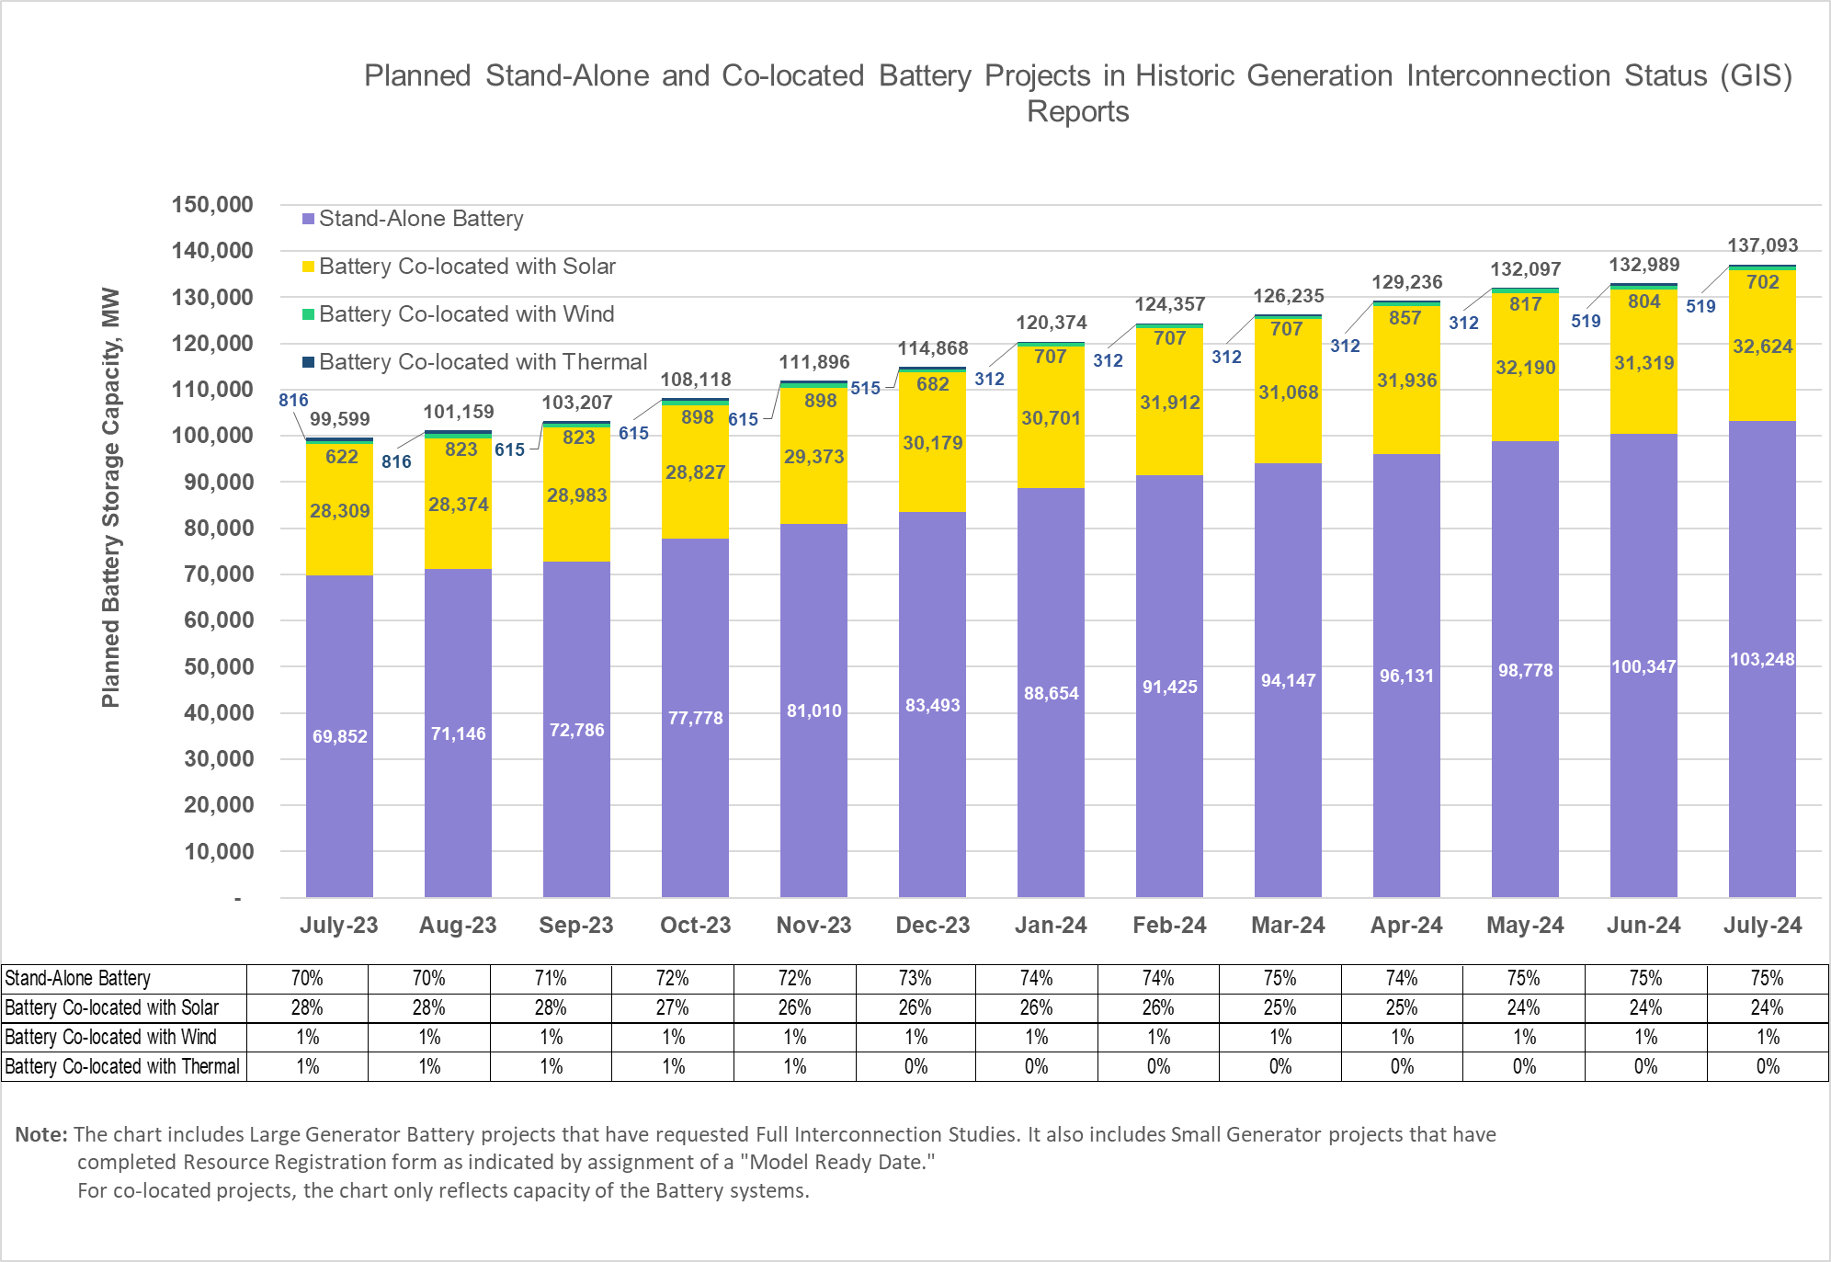
Planned Stand-Alone and Co-Located Battery Projects in Historic Generation Interconnection Status Reports

